C
Add arrows to show increase/ decrese in 'nav' as compared to previous day. It should look like the image as shown. |  |  |  | Add Data bars in next column. It should look like the image as shown.
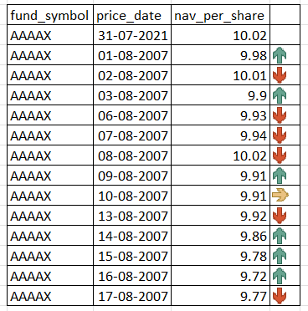
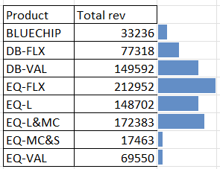
fund_symbol | price_date | nav_per_share
AAAAX | 31-Jul-21 | 10.02 |  | Product | Total rev
AAAAX | 2-Aug-21 | 9.98 | 100 | BLUECHIP | 33236 | 33236
AAAAX | 3-Aug-21 | 10.01 | 250 | DB-FLX | 77318 | 77318
AAAAX | 4-Aug-21 | 9.9 | 100 | DB-VAL | 149592 | 149592
AAAAX | 5-Aug-21 | 9.93 | 250 | EQ-FLX | 212952 | 212952
AAAAX | 6-Aug-21 | 9.94 | 250 | EQ-L | 148702 | 148702
AAAAX | 9-Aug-21 | 10.02 | 250 | EQ-L&MC | 172383 | 172383
AAAAX | 10-Aug-21 | 9.91 | 100 | EQ-MC&S | 17463 | 17463
AAAAX | 11-Aug-21 | 9.91 | 50 | EQ-VAL | 69550 | 69550
AAAAX | 12-Aug-21 | 9.92 | 250
AAAAX | 13-Aug-21 | 9.86 | 100
AAAAX | 16-Aug-21 | 9.78 | 100 | Product | Total rev
AAAAX | 17-Aug-21 | 9.72 | 100 | BLUECHIP | 33236 | 33236
AAAAX | 18-Aug-21 | 9.77 | 250 | DB-FLX | 77318 | 77318
 |  |  |  | DB-VAL | 149592 | 149592
 |  |  |  | EQ-FLX | 212952 | 212952
 |  |  |  | EQ-L | 148702 | 148702
 |  |  |  | EQ-L&MC | 172383 | 172383
 |  |  |  | EQ-MC&S | 17463 | 17463
 |  |  |  | EQ-VAL | 69550 | 69550

